NF-2 PLF and APC
Normalization Factor for plant loading
Name of the Thermal Power Station |  |  |  | NTPC - Ramagundam
Documents Avaialbility |  |  |  | Yes | Yes | PAT-II
S.No. | Unit nos. | Capacity (MW) | Generation (MU) |  | Constants |  |  |  | unit | Loading factors (%)
 |  |  | AY | BY | a | b | c |  |  | 100 | 95 | 90 | 85 | 80 | 75 | 70 | 65 | 60 | 55 | 50 | 45 | 40 | 35 | 30
1 | U#1 | 0 | 0 | 0 | 0 | 0 | 0 | Load | MW | 0 | 0 | 0 | 0 | 0 | 0 | 0 | 0 | 0 | 0 | 0 | 0 | 0 | 0 | 0
 |  |  |  |  |  |  |  | THR/ module HR | kcal/kWh | 0 | 0 | 0 | 0 | 0 | 0 | 0 | 0 | 0 | 0 | 0 | 0 | 0 | 0 | 0
2 | U#2 | 0 | 0 | 0 | 0 | 0 | 0 | Load | MW | 0 | 0 | 0 | 0 | 0 | 0 | 0 | 0 | 0 | 0 | 0 | 0 | 0 | 0 | 0
 |  |  |  |  |  |  |  | THR/ module HR | kcal/kWh | 0 | 0 | 0 | 0 | 0 | 0 | 0 | 0 | 0 | 0 | 0 | 0 | 0 | 0 | 0
3 | U#3 | 0 | 0 | 0 | 0 | 0 | 0 | Load | MW | 0 | 0 | 0 | 0 | 0 | 0 | 0 | 0 | 0 | 0 | 0 | 0 | 0 | 0 | 0
 |  |  |  |  |  |  |  | THR/ module HR | kcal/kWh | 0 | 0 | 0 | 0 | 0 | 0 | 0 | 0 | 0 | 0 | 0 | 0 | 0 | 0 | 0
4 | U#4 | 0 | 0 | 0 | 0 | 0 | 0 | Load | MW | 0 | 0 | 0 | 0 | 0 | 0 | 0 | 0 | 0 | 0 | 0 | 0 | 0 | 0 | 0
 |  |  |  |  |  |  |  | THR/ module HR | kcal/kWh | 0 | 0 | 0 | 0 | 0 | 0 | 0 | 0 | 0 | 0 | 0 | 0 | 0 | 0 | 0
5 | U#5 | 0 | 0 | 0 | 0 | 0 | 0 | Load | MW | 0 | 0 | 0 | 0 | 0 | 0 | 0 | 0 | 0 | 0 | 0 | 0 | 0 | 0 | 0
 |  |  |  |  |  |  |  | THR/ module HR | kcal/kWh | 0 | 0 | 0 | 0 | 0 | 0 | 0 | 0 | 0 | 0 | 0 | 0 | 0 | 0 | 0
6 | U#6 | 0 | 0 | 0 | 0 | 0 | 0 | Load | MW | 0 | 0 | 0 | 0 | 0 | 0 | 0 | 0 | 0 | 0 | 0 | 0 | 0 | 0 | 0
 |  |  |  |  |  |  |  | THR/ module HR | kcal/kWh | 0 | 0 | 0 | 0 | 0 | 0 | 0 | 0 | 0 | 0 | 0 | 0 | 0 | 0 | 0
7 | U#7 | 0 | 0 | 0 | 0 | 0 | 0 | Load | MW | 0 | 0 | 0 | 0 | 0 | 0 | 0 | 0 | 0 | 0 | 0 | 0 | 0 | 0 | 0
 |  |  |  |  |  |  |  | THR/ module HR | kcal/kWh | 0 | 0 | 0 | 0 | 0 | 0 | 0 | 0 | 0 | 0 | 0 | 0 | 0 | 0 | 0
8 | U#8 | 0 | 0 | 0 | 0 | 0 | 0 | Load | MW | 0 | 0 | 0 | 0 | 0 | 0 | 0 | 0 | 0 | 0 | 0 | 0 | 0 | 0 | 0
 |  |  |  |  |  |  |  | THR/ module HR | kcal/kWh | 0 | 0 | 0 | 0 | 0 | 0 | 0 | 0 | 0 | 0 | 0 | 0 | 0 | 0 | 0
9 | U#9 | 0 | 0 | 0 | 0 | 0 | 0 | Load | MW | 0 | 0 | 0 | 0 | 0 | 0 | 0 | 0 | 0 | 0 | 0 | 0 | 0 | 0 | 0
 |  |  |  |  |  |  |  | THR/ module HR | kcal/kWh | 0 | 0 | 0 | 0 | 0 | 0 | 0 | 0 | 0 | 0 | 0 | 0 | 0 | 0 | 0
10 | U#10 | 0 | 0 | 0 | 0 | 0 | 0 | Load | MW | 0 | 0 | 0 | 0 | 0 | 0 | 0 | 0 | 0 | 0 | 0 | 0 | 0 | 0 | 0
 |  |  |  |  |  |  |  | THR/ module HR | kcal/kWh | 0 | 0 | 0 | 0 | 0 | 0 | 0 | 0 | 0 | 0 | 0 | 0 | 0 | 0 | 0
11 | U#11 | 0 | 0 | 0 | 0 | 0 | 0 | Load | MW | 0 | 0 | 0 | 0 | 0 | 0 | 0 | 0 | 0 | 0 | 0 | 0 | 0 | 0 | 0
 |  |  |  |  |  |  |  | THR/ module HR | kcal/kWh | 0 | 0 | 0 | 0 | 0 | 0 | 0 | 0 | 0 | 0 | 0 | 0 | 0 | 0 | 0
12 | U#12 | 0 | 0 | 0 | 0 | 0 | 0 | Load | MW | 0 | 0 | 0 | 0 | 0 | 0 | 0 | 0 | 0 | 0 | 0 | 0 | 0 | 0 | 0
 |  |  |  |  |  |  |  | THR/ module HR | kcal/kWh | 0 | 0 | 0 | 0 | 0 | 0 | 0 | 0 | 0 | 0 | 0 | 0 | 0 | 0 | 0
13 | U#13 | 0 | 0 | 0 | 0 | 0 | 0 | Load | MW | 0 | 0 | 0 | 0 | 0 | 0 | 0 | 0 | 0 | 0 | 0 | 0 | 0 | 0 | 0
 |  |  |  |  |  |  |  | THR/ module HR | kcal/kWh | 0 | 0 | 0 | 0 | 0 | 0 | 0 | 0 | 0 | 0 | 0 | 0 | 0 | 0 | 0
14 | U#14 | 0 | 0 | 0 | 0 | 0 | 0 | Load | MW | 0 | 0 | 0 | 0 | 0 | 0 | 0 | 0 | 0 | 0 | 0 | 0 | 0 | 0 | 0
 |  |  |  |  |  |  |  | THR/ module HR | kcal/kWh | 0 | 0 | 0 | 0 | 0 | 0 | 0 | 0 | 0 | 0 | 0 | 0 | 0 | 0 | 0
15 | U#15 | 0 | 0 | 0 | 0 | 0 | 0 | Load | MW | 0 | 0 | 0 | 0 | 0 | 0 | 0 | 0 | 0 | 0 | 0 | 0 | 0 | 0 | 0
 |  |  |  |  |  |  |  | THR/ module HR | kcal/kWh | 0 | 0 | 0 | 0 | 0 | 0 | 0 | 0 | 0 | 0 | 0 | 0 | 0 | 0 | 0
16 | Station | 0 |  |  |  |  |  | Load | MW | 0 | 0 | 0 | 0 | 0 | 0 | 0 | 0 | 0 | 0 | 0 | 0 | 0 | 0 | 0
 |  |  |  |  |  |  |  | THR/ module HR | kcal/kWh | 0 | 0 | 0 | 0 | 0 | 0 | 0 | 0 | 0 | 0 | 0 | 0 | 0 | 0 | 0
17 | Station
 | Load | THR/ Module HR | APC (BY) | APC adjustment |  | loading factor (%) |  | Wt. Avg. boiler eff. | GHR | APC (calc.) | NHR
 | MW | kcal/kWh | % | (%) per loading factor |  | BY | AY | % | kcal/kWh | % | kcal/kWh
 | 0 | 0.00 | 0 | 0.025 |  | 100 | 0 | 0.00 | 0.00 | 0.0000 | 0.00
Station Curve
 | 0 | 0.00 |  |  |  |  |  |  | 0.00 | 0.1250 | 0.00
 | 0 | 0.00 |  |  |  |  |  |  | 0.00 | 0.2500 | 0.00
 | 0 | 0.00 |  |  |  |  |  |  | 0.00 | 0.3750 | 0.00
 | 0 | 0.00 |  |  |  |  |  |  | 0.00 | 0.5000 | 0.00
 | 0 | 0.00 |  |  |  |  |  |  | 0.00 | 0.6250 | 0.00
 | 0 | 0.00 |  |  |  |  |  |  | 0.00 | 0.7500 | 0.00
 | 0 | 0.00 |  |  |  |  |  |  | 0.00 | 0.8750 | 0.00
 | 0 | 0.00 |  |  |  |  |  |  | 0.00 | 1.0000 | 0.00
 | 0 | 0.00 |  |  |  |  |  |  | 0.00 | 1.1250 | 0.00
 | 0 | 0.00 |  |  |  |  |  |  | 0.00 | 1.2500 | 0.00
 | 0 | 0.00 |  |  |  |  |  |  | 0.00 | 1.3750 | 0.00
 | 0 | 0.00 |  |  |  |  |  |  | 0.00 | 1.5000 | 0.00
 | 0 | 0.00 |  |  |  |  |  |  | 0.00 | 1.6250 | 0.00
 | 0 | 0.00 |  |  |  |  |  |  | 0.00 | 1.7500 | 0.00
18 | equation | y=aX^2-bX+c
 | a | 0
 | b | 0
 | c | 0
19 | Weighted Average HR at 100% loading as per OEM |  |  |  |  |  | kcal/kWh | 0.00
20 | Weighted Average HR at 100% loading as per Curve |  |  |  |  |  | kcal/kWh | 0.00
21 | Deviation percentage between OEM and Curve design |  |  |  |  |  | % | 0.00
22 | Station design NHR at 100% loading |  |  |  |  |  | kcal/kWh | 0.00
26 | NHR reduction target w.r.t. 100% loading |  |  |  |  |  | kcal/kWh | 0.00
27 | Target NHR notified |  |  |  |  |  | kcal/kWh | 2495.86
23 | Design NHR at BY loading (as per curve) |  |  |  |  |  | kcal/kWh | 0.00
24 | Corrected Design NHR at BY loading (as per curve) |  |  |  |  |  | kcal/kWh | 0.00
25 | Operating NHR in BY |  |  |  |  |  | kcal/kWh | 0.00
28 | Difference between desing and operating at BY loading factor |  |  |  |  |  | kcal/kWh | 0.00
29 | Deviation w.r.t. to design at BY loading |  |  |  |  |  | % | 0.00
30 | Deviation slab applicable |  |  |  |  |  | % | 0.00
31 | NHR reduction Target |  |  |  |  |  | kcal/kWh | 0.00
32 | Maximum allowable deviation at BY loading |  |  |  |  |  | kcal/kWh | 0.00
33 | Maximum allowable deviation at BY loading |  |  |  |  |  | % | 0.00
35 | Target at any loading factor- Maximum allowable deviation from design at the corresponding loading factor |  |  |  |  |  | % | 0.00
37 | Operating NHR in AY |  |  |  |  |  | kcal/kWh | 0.00
38 | Design NHR at AY loading (as per curve) |  |  |  |  |  | kcal/kWh | 0.00
39 | Corrected Design NHR at AY loading (as per curve) |  |  |  |  |  |  | 0.00
40 | Target NHR at AY loading as per maximum allowable deviation |  |  |  |  |  | kcal/kWh | 0.00
43 | Target normalization w.r.t. change in AY loading |  |  |  |  |  | kcal/kWh | -2495.86

Annex example of load Vs THR
Heat Rate BHEL 210 MW
 | Heat Rate (kcal/kWh)
63.6 | 2327.75
75 | 2292.6
100 | 2196
125 | 2116.65
150 | 2072.05
175 | 2055.4
181 | 2052
200 | 2042.6
210 | 2044.44
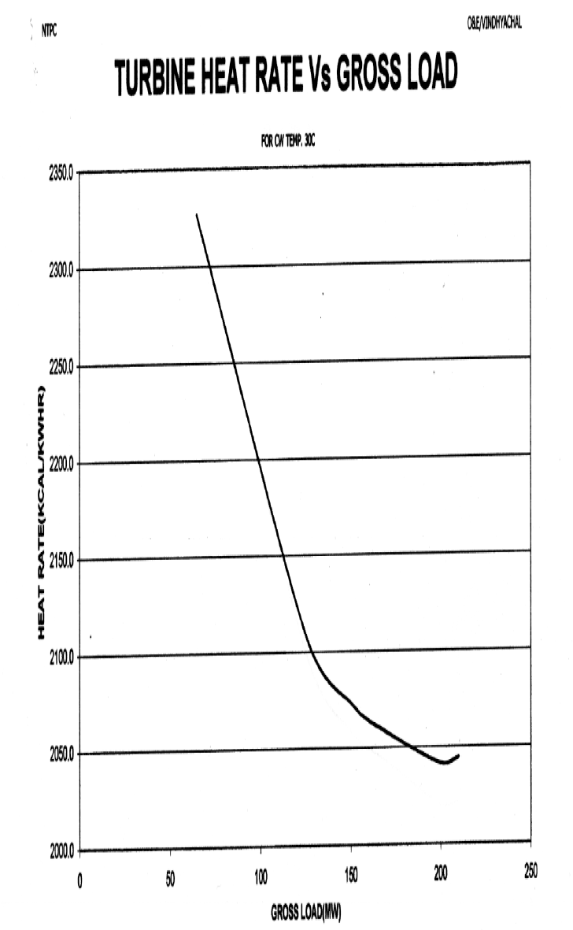
Turbine Heat Rate Vs Load
% Load | Gross Load (MW) | Heat Rate | Heat Rate as per Equation
% | MW | (kcal/kWh) | (kcal/kwh)
30 | 63.6 | 2327.75 | 2333.26968
36 | 75 | 2292.6 | 2284.92
48 | 100 | 2196 | 2194.36
60 | 125 | 2116.65 | 2125.05
71 | 150 | 2074.05 | 2076.99
83 | 175 | 2057.4 | 2050.18
86 | 181 | 2052 | 2046.9076
95 | 200 | 2042.6 | 2044.62
100 | 210 | 2044.44 | 2048.346

 |  |  |  | 12600

